Sheet2
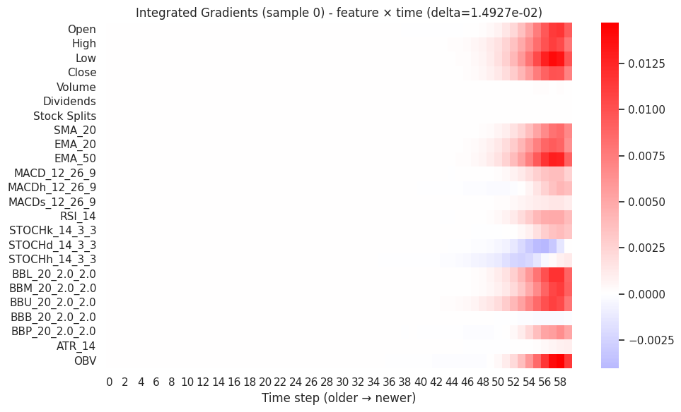
lstm
 | Integrated gradients:
 |  | feature | score | pct
Top IG contributors: Low (↑, 9.5%); EMA_50 (↑, 8.8%); OBV (↑, 8.3%) | 0 | Low | 0.086001 | 9.425674
 | 1 | EMA_50 | 0.079338 | 8.695464
 | 2 | OBV | 0.075079 | 8.228676 |  | Local
 | 3 | BBU_20_2.0_2.0 | 0.073964 | 8.106464 |  | Which features mattered most for a single prediction
 | 4 | High | 0.070009 | 7.672974 |  | Red = increase price, Blue = decrease
 | 5 | BBL_20_2.0_2.0 | 0.067083 | 7.35236
 | 6 | Open | 0.063466 | 6.955868
 | 7 | Close | 0.062022 | 6.797597
 | 8 | BBM_20_2.0_2.0 | 0.060473 | 6.627896
 | 9 | EMA_20 | 0.058966 | 6.462684

 | Saliency

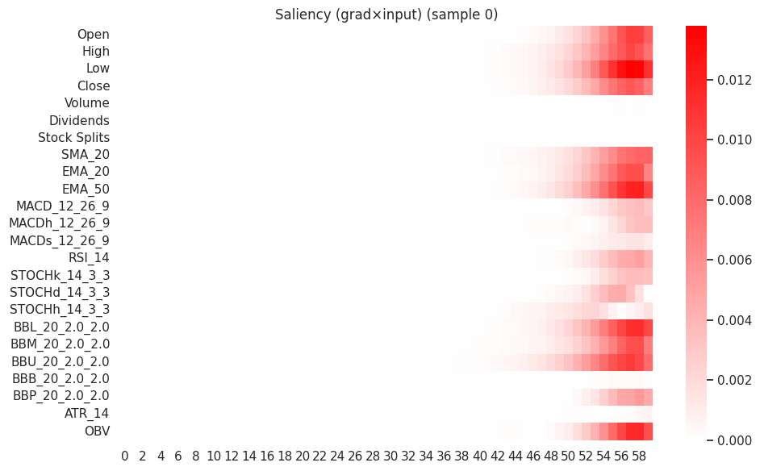
 |  | feature | score | pct
 | 0 | Low | 0.09771 | 9.973981
 | 1 | BBU_20_2.0_2.0 | 0.085379 | 8.715259
 | 2 | EMA_50 | 0.084643 | 8.640113 |  | Local
 | 3 | BBL_20_2.0_2.0 | 0.079097 | 8.074007 |  | “Where the model looked”
 | 4 | High | 0.071295 | 7.277554 |  | Confirms IG visually
 | 5 | OBV | 0.068046 | 6.94597
 | 6 | Open | 0.066686 | 6.807086
 | 7 | EMA_20 | 0.065102 | 6.645407

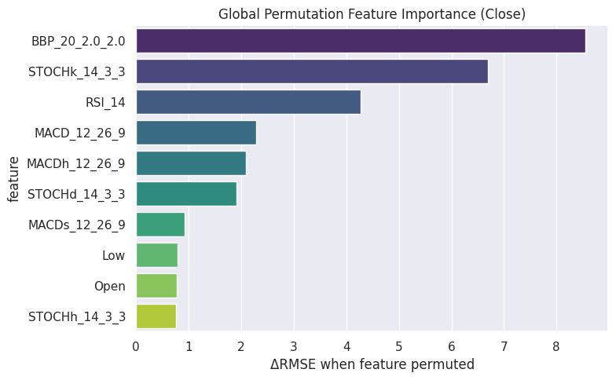
 | Permutation
 | Base RMSE used for permutation: 20.094465
 | Top-10 permutation importances (Close):
 | feature | delta_RMSE | base_RMSE | perm_RMSE | pct_of_total
0 | BBP_20_2.0_2.0 | 8.554465 | 20.094465 | 28.64893 | 32.272662
1 | STOCHk_14_3_3 | 6.687804 | 20.094465 | 26.782269 | 25.230477 | Global
2 | RSI_14 | 4.277536 | 20.094465 | 24.372001 | 16.137475 | Importance over entire dataset
3 | MACD_12_26_9 | 2.277354 | 20.094465 | 22.371819 | 8.591568 | High ΔRMSE = high importance
4 | MACDh_12_26_9 | 2.086786 | 20.094465 | 22.181251 | 7.872632
5 | STOCHd_14_3_3 | 1.913737 | 20.094465 | 22.008202 | 7.219782
6 | MACDs_12_26_9 | 0.917337 | 20.094465 | 21.011802 | 3.460755
7 | Low | 0.790342 | 20.094465 | 20.884807 | 2.981654
8 | Open | 0.771711 | 20.094465 | 20.866176 | 2.911365
9 | STOCHh_14_3_3 | 0.762127 | 20.094465 | 20.856592 | 2.875208

 | SHAP

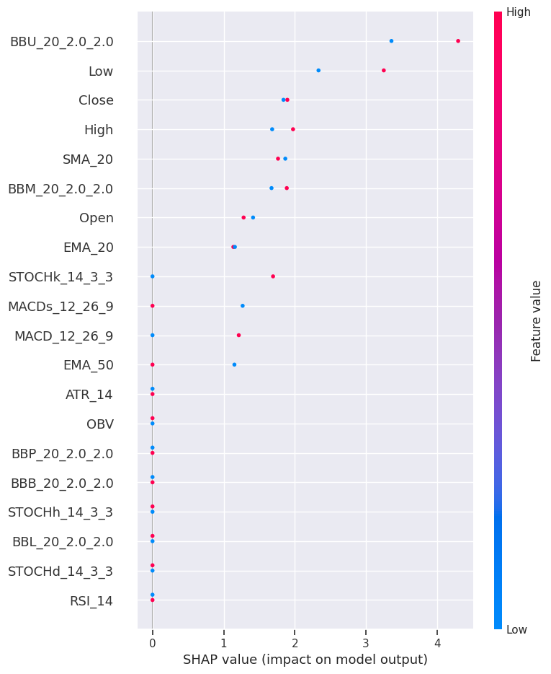
 | SHAP explanation for test sample 0: |  |  |  |  | Global / Local
 |  | feature | shap | abs |  | Push each feature gives on price
 | 19 | BBU_20_2.0_2.0 | 4.296436 | 4.296436 |  | Positive SHAP = pushes up price
 | 2 | Low | 3.251187 | 3.251187
 | 1 | High | 1.975613 | 1.975613
 | 3 | Close | 1.895381 | 1.895381
 | 18 | BBM_20_2.0_2.0 | 1.887524 | 1.887524
 | 7 | SMA_20 | 1.764517 | 1.764517
 | 14 | STOCHk_14_3_3 | 1.694709 | 1.694709
 | 0 | Open | 1.280885 | 1.280885
 | 10 | MACD_12_26_9 | 1.212778 | 1.212778
 | 8 | EMA_20 | 1.136663 | 1.136663
 | SHAP explanation for test sample 1:
 |  | feature | shap | abs
 | 19 | BBU_20_2.0_2.0 | 3.358877 | 3.358877
 | 2 | Low | 2.333737 | 2.333737
 | 7 | SMA_20 | 1.866788 | 1.866788
 | 3 | Close | 1.841105 | 1.841105
 | 1 | High | 1.681874 | 1.681874
 | 18 | BBM_20_2.0_2.0 | 1.673143 | 1.673143
 | 0 | Open | 1.41353 | 1.41353
 | 12 | MACDs_12_26_9 | 1.267069 | 1.267069
 | 8 | EMA_20 | 1.158032 | 1.158032
 | 9 | EMA_50 | 1.151438 | 1.151438

Sheet3
Hierarchical CNN+LSTM with Temporal & Self-Attention

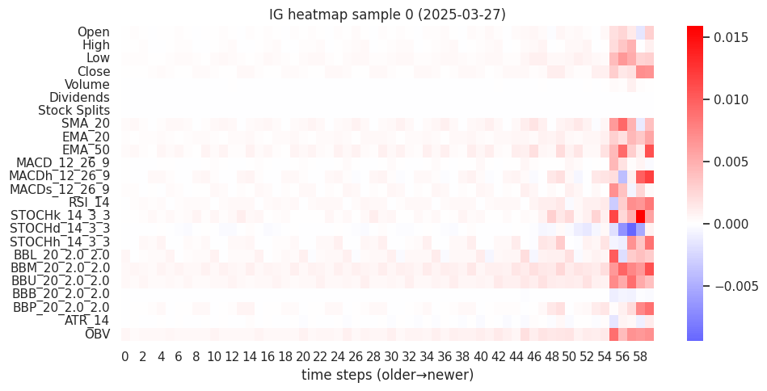
 | ig
 | IG sample 0 | date 2025-03-27 | delta=-1.71e-03
 |  | feature | score | pct
 | 0 | BBM_20_2.0_2.0 | 0.088965 | 9.946186
 | 1 | OBV | 0.074619 | 8.342275
 | 2 | STOCHk_14_3_3 | 0.067898 | 7.590879
 | 3 | BBU_20_2.0_2.0 | 0.067544 | 7.551402
 | 4 | EMA_50 | 0.061037 | 6.82388
 | 5 | BBL_20_2.0_2.0 | 0.051601 | 5.768986
 | 6 | SMA_20 | 0.050572 | 5.653865
 | 7 | RSI_14 | 0.050145 | 5.606193

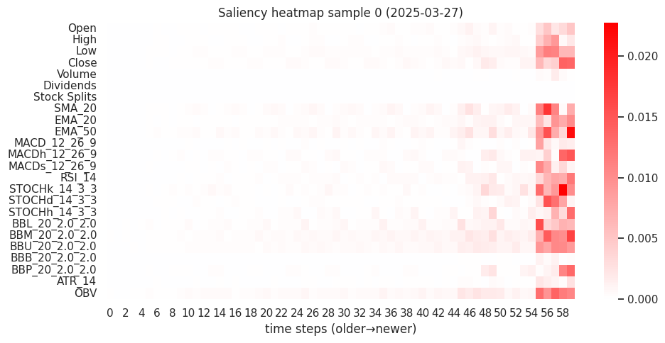
 | Saliency sample 1 | date 2025-03-28
 |  | feature | score | pct
 | 0 | BBM_20_2.0_2.0 | 0.101398 | 8.624932
 | 1 | EMA_50 | 0.086109 | 7.324387
 | 2 | STOCHk_14_3_3 | 0.084693 | 7.203949
 | 3 | OBV | 0.083633 | 7.113835
 | 4 | BBU_20_2.0_2.0 | 0.079596 | 6.770456
 | 5 | SMA_20 | 0.075388 | 6.412449
 | 6 | BBL_20_2.0_2.0 | 0.068599 | 5.835046
 | 7 | Low | 0.066185 | 5.629683

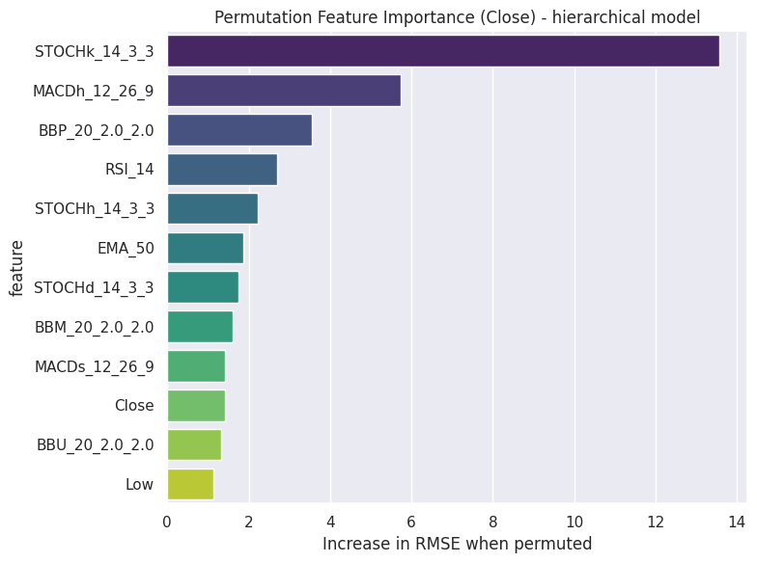
 | Base RMSE (target 1): 29.2088
 |  | feature | delta_RMSE | base_RMSE | perm_RMSE
 | 0 | STOCHk_14_3_3 | 13.575745 | 29.2088 | 42.784545
 | 1 | MACDh_12_26_9 | 5.733101 | 29.2088 | 34.941901
 | 2 | BBP_20_2.0_2.0 | 3.551603 | 29.2088 | 32.760403
 | 3 | RSI_14 | 2.700384 | 29.2088 | 31.909184
 | 4 | STOCHh_14_3_3 | 2.235142 | 29.2088 | 31.443942
 | 5 | EMA_50 | 1.87053 | 29.2088 | 31.07933
 | 6 | STOCHd_14_3_3 | 1.738361 | 29.2088 | 30.947161
 | 7 | BBM_20_2.0_2.0 | 1.61026 | 29.2088 | 30.81906
 | 8 | MACDs_12_26_9 | 1.41523 | 29.2088 | 30.62403
 | 9 | Close | 1.41247 | 29.2088 | 30.62127
 | 10 | BBU_20_2.0_2.0 | 1.327932 | 29.2088 | 30.536732
 | 11 | Low | 1.141831 | 29.2088 | 30.350631
 | 12 | SMA_20 | 0.906523 | 29.2088 | 30.115323
 | 13 | EMA_20 | 0.591349 | 29.2088 | 29.800149
 | 14 | High | 0.407911 | 29.2088 | 29.616711

 | SHAP sample 0 | date 2025-03-27:
 |  | feature | shap | abs
 | 0 | BBM_20_2.0_2.0 | -18.71418 | 18.71418
 | 1 | BBU_20_2.0_2.0 | -17.692264 | 17.692264
 | 2 | SMA_20 | -12.166325 | 12.166325
 | 3 | Close | -11.989835 | 11.989835
 | 4 | MACDs_12_26_9 | -11.260108 | 11.260108
 | 5 | EMA_50 | -9.949064 | 9.949064
 | 6 | Low | -9.872925 | 9.872925
 | 7 | EMA_20 | -9.856165 | 9.856165
 | 8 | BBL_20_2.0_2.0 | -9.210666 | 9.210666
 | 9 | STOCHk_14_3_3 | -7.380384 | 7.380384
 | 10 | Stock Splits | 0 | 0
 | 11 | Open | 0 | 0

 | SHAP sample 2 | date 2025-04-01:
 |  | feature | shap | abs
 | 0 | BBM_20_2.0_2.0 | -17.432396 | 17.432396
 | 1 | BBU_20_2.0_2.0 | -16.555555 | 16.555555
 | 2 | SMA_20 | -13.250765 | 13.250765
 | 3 | MACDs_12_26_9 | -12.85843 | 12.85843
 | 4 | EMA_50 | -11.556742 | 11.556742
 | 5 | Low | -11.101229 | 11.101229
 | 6 | EMA_20 | -9.957881 | 9.957881
 | 7 | BBL_20_2.0_2.0 | -9.392966 | 9.392966
 | 8 | Close | -8.88811 | 8.88811
 | 9 | High | -4.546353 | 4.546353
 | 10 | Volume | 0 | 0
 | 11 | Open | 0 | 0

Sheet4
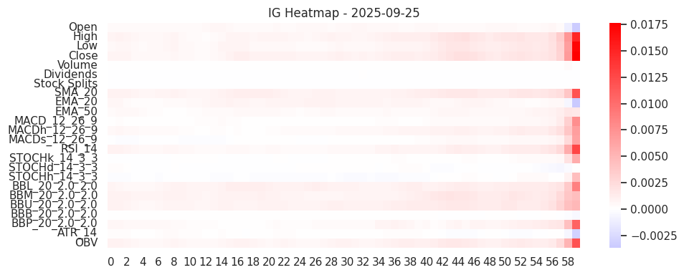
QueryLearned Temporal Transformer |  |  | (informer)
 | ig
 | Sample 0 (2025-09-25) top IG features:
 |  | feature | score | pct
 | 0 | Close | 0.089424 | 9.370158
 | 1 | High | 0.082526 | 8.647321
 | 2 | SMA_20 | 0.078771 | 8.253894
 | 3 | Low | 0.074623 | 7.819199
 | 4 | BBU_20_2.0_2.0 | 0.071682 | 7.511089
 | 5 | BBL_20_2.0_2.0 | 0.070634 | 7.401217
 | 6 | BBM_20_2.0_2.0 | 0.07043 | 7.379849
 | 7 | OBV | 0.069877 | 7.321936

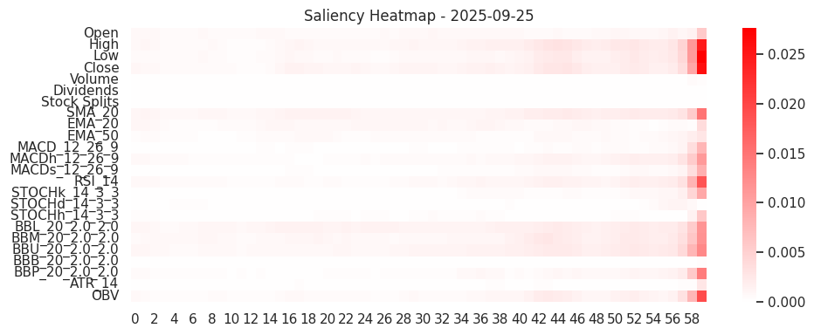
 | saliency
 | Sample 0 (2025-09-25) top Saliency features:
 |  | feature | score | pct
 | 0 | High | 0.114942 | 9.359816
 | 1 | Close | 0.111156 | 9.051554
 | 2 | Low | 0.100887 | 8.215342
 | 3 | SMA_20 | 0.09952 | 8.104008
 | 4 | BBL_20_2.0_2.0 | 0.098248 | 8.000437
 | 5 | BBU_20_2.0_2.0 | 0.096011 | 7.818224
 | 6 | BBM_20_2.0_2.0 | 0.087561 | 7.130177
 | 7 | RSI_14 | 0.077953 | 6.347782

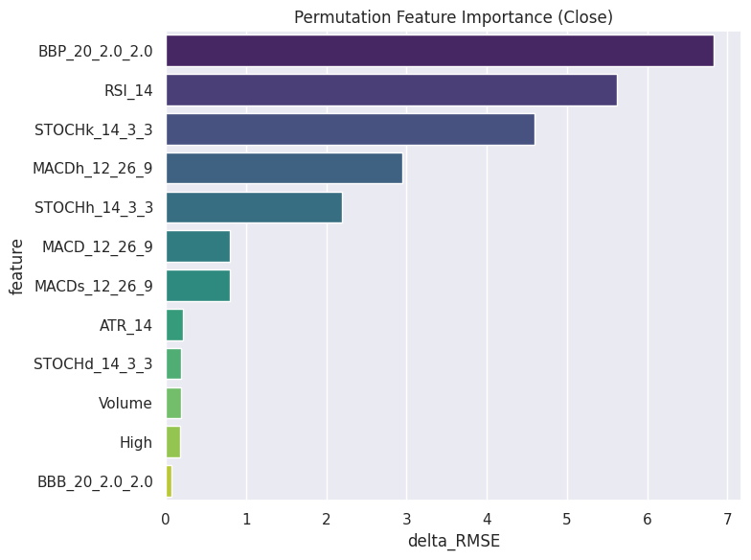
 | permutaion
 |  | Base Test RMSE (Close): 18.7800
 |  | feature | delta_RMSE
 | 21 | BBP_20_2.0_2.0 | 6.831698
 | 13 | RSI_14 | 5.62452
 | 14 | STOCHk_14_3_3 | 4.597002
 | 11 | MACDh_12_26_9 | 2.943241
 | 16 | STOCHh_14_3_3 | 2.19216
 | 10 | MACD_12_26_9 | 0.798452
 | 12 | MACDs_12_26_9 | 0.794752
 | 22 | ATR_14 | 0.217449
 | 15 | STOCHd_14_3_3 | 0.186984
 | 4 | Volume | 0.186513
 | 1 | High | 0.170484
 | 20 | BBB_20_2.0_2.0 | 0.064984

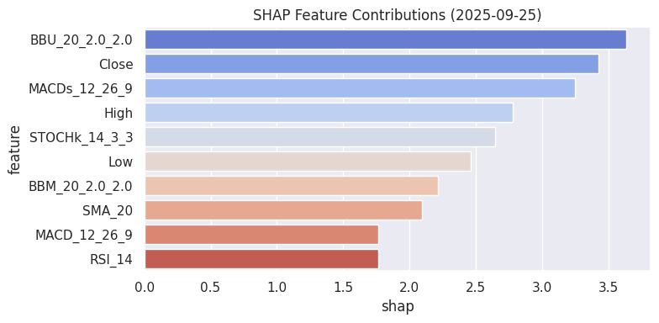
 | SHAP
 | Sample 1 (2025-09-26) SHAP top features:
 |  | feature | shap | abs
 | 19 | BBU_20_2.0_2.0 | 3.942443 | 3.942443
 | 12 | MACDs_12_26_9 | 3.361358 | 3.361358
 | 7 | SMA_20 | 2.325022 | 2.325022
 | 1 | High | 2.102662 | 2.102662
 | 14 | STOCHk_14_3_3 | 1.888737 | 1.888737
 | 2 | Low | 1.759637 | 1.759637
 | 10 | MACD_12_26_9 | 1.686392 | 1.686392
 | 3 | Close | 1.664637 | 1.664637

Sheet5
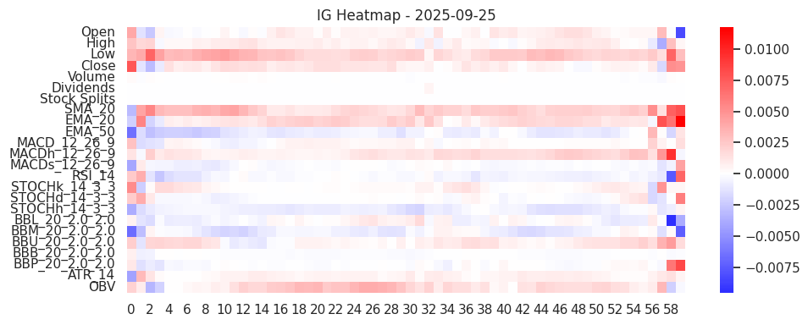
ConvTransformer (CNN + Transformer Encoder) hybrid
 | ig
 | Sample 0 (2025-09-25) top IG features:
 |  | feature | score | pct
 | 0 | Low | 0.154582 | 11.852833
 | 1 | SMA_20 | 0.148358 | 11.375587
 | 2 | EMA_20 | 0.113761 | 8.722795
 | 3 | OBV | 0.105267 | 8.07149
 | 4 | MACDh_12_26_9 | 0.0865 | 6.632539
 | 5 | Close | 0.069929 | 5.361892
 | 6 | EMA_50 | 0.066379 | 5.089695
 | 7 | BBU_20_2.0_2.0 | 0.062609 | 4.800608

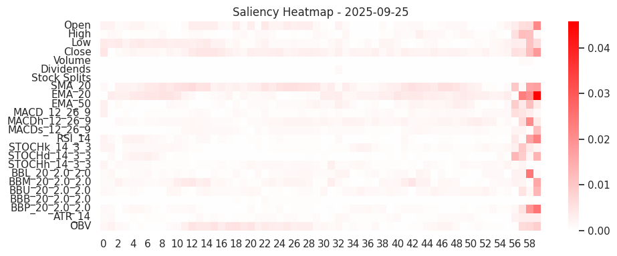
 | saliency
 | Sample 0 (2025-09-25) top Saliency features:
 |  | feature | score | pct
 | 0 | SMA_20 | 0.228964 | 11.360909
 | 1 | EMA_20 | 0.225628 | 11.195361
 | 2 | Close | 0.167446 | 8.308472
 | 3 | OBV | 0.120657 | 5.986856
 | 4 | Low | 0.11358 | 5.635675
 | 5 | Open | 0.113333 | 5.623431
 | 6 | MACDh_12_26_9 | 0.11274 | 5.594024
 | 7 | BBM_20_2.0_2.0 | 0.10114 | 5.01844

 | permutation

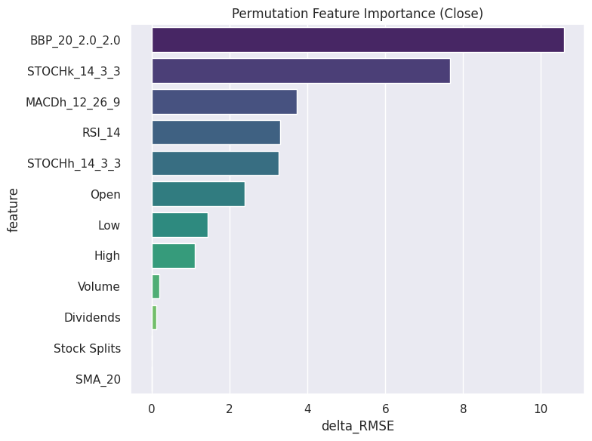
 |  | feature | delta_RMSE
 | 0 | BBP_20_2.0_2.0 | 10.586979
 | 1 | STOCHk_14_3_3 | 7.668987
 | 2 | MACDh_12_26_9 | 3.723813
 | 3 | RSI_14 | 3.290348
 | 4 | STOCHh_14_3_3 | 3.255292
 | 5 | Open | 2.386212
 | 6 | Low | 1.442617
 | 7 | High | 1.108834
 | 8 | Volume | 0.200674
 | 9 | Dividends | 0.126135
 | 10 | Stock Splits | 0
 | 11 | SMA_20 | -0.008173

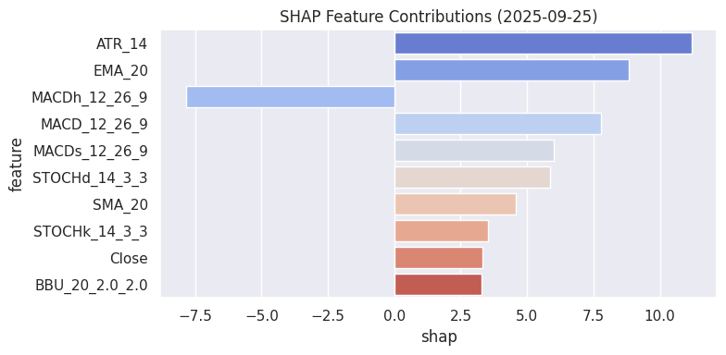
 | shap
 | Sample 0 (2025-09-25) SHAP top features:
 |  | feature | shap | abs
 | 22 | ATR_14 | 11.189151 | 11.189151
 | 8 | EMA_20 | 8.84078 | 8.84078
 | 11 | MACDh_12_26_9 | -7.853207 | 7.853207
 | 10 | MACD_12_26_9 | 7.784424 | 7.784424
 | 12 | MACDs_12_26_9 | 6.004991 | 6.004991
 | 15 | STOCHd_14_3_3 | 5.851576 | 5.851576
 | 7 | SMA_20 | 4.571171 | 4.571171
 | 14 | STOCHk_14_3_3 | 3.533648 | 3.533648

Sheet6
Temporal Convolutional Network (TCN) + Attention
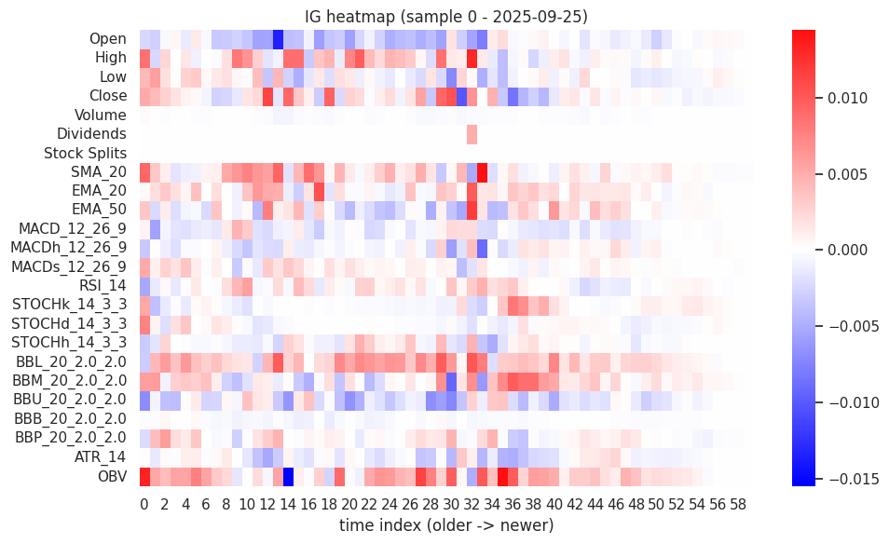

 | IG top-10 features for test sample 0 (date 2025-09-25):
 |  | feature | ig_score | ig_pct
 | 0 | OBV | 0.24705 | 10.326422
 | 1 | BBL_20_2.0_2.0 | 0.217937 | 9.109515
 | 2 | BBM_20_2.0_2.0 | 0.165718 | 6.926846
 | 3 | Close | 0.163409 | 6.830326
 | 4 | SMA_20 | 0.153104 | 6.399581
 | 5 | High | 0.151781 | 6.344304
 | 6 | Open | 0.143595 | 6.002136
 | 7 | BBU_20_2.0_2.0 | 0.140119 | 5.856837
 | 8 | EMA_50 | 0.127908 | 5.346422
 | 9 | EMA_20 | 0.110881 | 4.634691

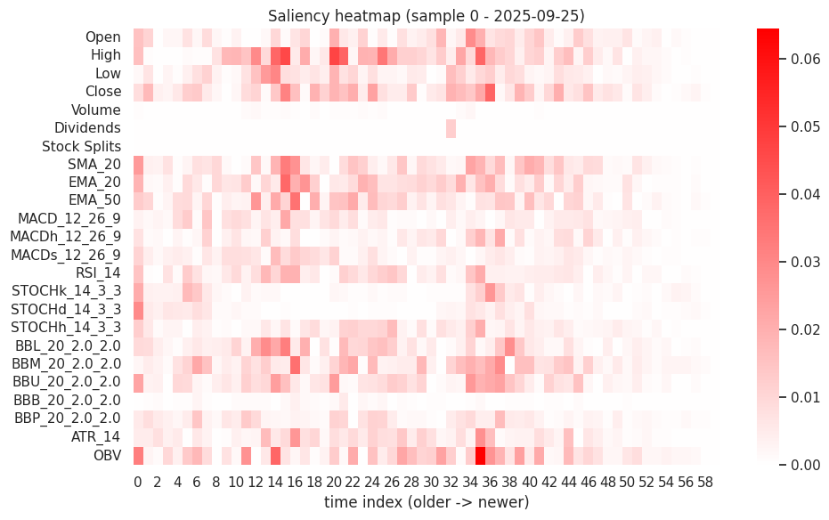
 | Saliency top-10 for sample 0 (date 2025-09-25):
 |  | feature | saliency_score | saliency_pct
 | 0 | High | 0.684112 | 8.90889
 | 1 | OBV | 0.613326 | 7.987081
 | 2 | Close | 0.564777 | 7.354836
 | 3 | BBM_20_2.0_2.0 | 0.506924 | 6.601443
 | 4 | SMA_20 | 0.467256 | 6.084867
 | 5 | EMA_20 | 0.465554 | 6.062711
 | 6 | EMA_50 | 0.45003 | 5.860544
 | 7 | BBU_20_2.0_2.0 | 0.440012 | 5.730082
 | 8 | BBL_20_2.0_2.0 | 0.421916 | 5.494432
 | 9 | Open | 0.348034 | 4.532296

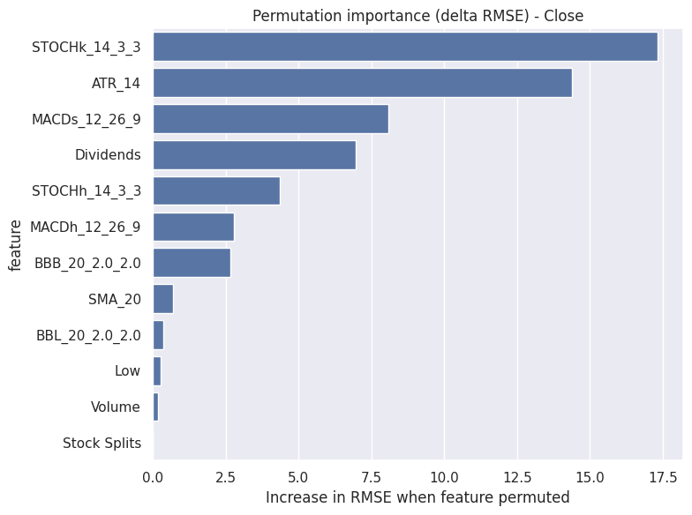
 | permutation
 | Base RMSE (Close) = 100.5986
 |  | feature | delta_rmse_mean | delta_rmse_std
 | 0 | STOCHk_14_3_3 | 17.337283 | 2.59915
 | 1 | ATR_14 | 14.375251 | 0.700933
 | 2 | MACDs_12_26_9 | 8.096467 | 1.823416
 | 3 | Dividends | 6.975652 | 2.019935
 | 4 | STOCHh_14_3_3 | 4.361337 | 1.935396
 | 5 | MACDh_12_26_9 | 2.773121 | 1.369287
 | 6 | BBB_20_2.0_2.0 | 2.649194 | 0.620508
 | 7 | SMA_20 | 0.682601 | 0.237427
 | 8 | BBL_20_2.0_2.0 | 0.347787 | 0.278405
 | 9 | Low | 0.275372 | 0.319347
 | 10 | Volume | 0.16548 | 0.522368
 | 11 | Stock Splits | 0 | 0

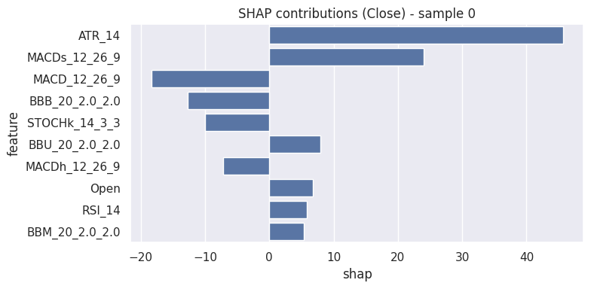
 | SHAP top features for sample 0 (date 2025-09-25):
 |  | feature | shap | abs_shap
 | 0 | ATR_14 | 45.664939 | 45.664939
 | 1 | MACDs_12_26_9 | 24.014114 | 24.014114
 | 2 | MACD_12_26_9 | -18.367973 | 18.367973
 | 3 | BBB_20_2.0_2.0 | -12.635737 | 12.635737
 | 4 | STOCHk_14_3_3 | -9.999192 | 9.999192
 | 5 | BBU_20_2.0_2.0 | 7.903622 | 7.903622
 | 6 | MACDh_12_26_9 | -7.216699 | 7.216699
 | 7 | Open | 6.78976 | 6.78976
 | 8 | RSI_14 | 5.812629 | 5.812629
 | 9 | BBM_20_2.0_2.0 | 5.314588 | 5.314588

Sheet7
gan lstm

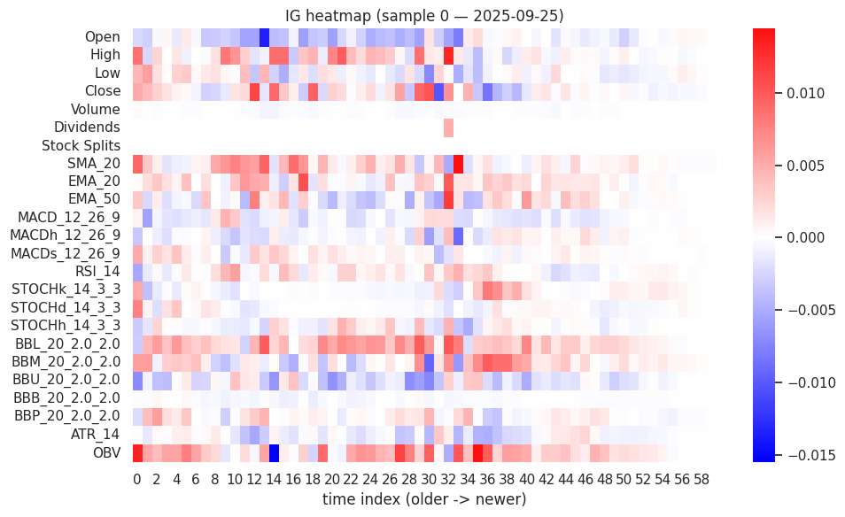
 | IG top-10 (sample 0, date 2025-09-25):
 |  | feature | ig_score | ig_pct
 | 0 | OBV | 0.247046 | 10.326323
 | 1 | BBL_20_2.0_2.0 | 0.217935 | 9.109528
 | 2 | BBM_20_2.0_2.0 | 0.16572 | 6.926976
 | 3 | Close | 0.163406 | 6.830226
 | 4 | SMA_20 | 0.153103 | 6.399593
 | 5 | High | 0.15178 | 6.344267
 | 6 | Open | 0.143594 | 6.002134
 | 7 | BBU_20_2.0_2.0 | 0.140122 | 5.856977
 | 8 | EMA_50 | 0.127907 | 5.346416
 | 9 | EMA_20 | 0.110877 | 4.634587

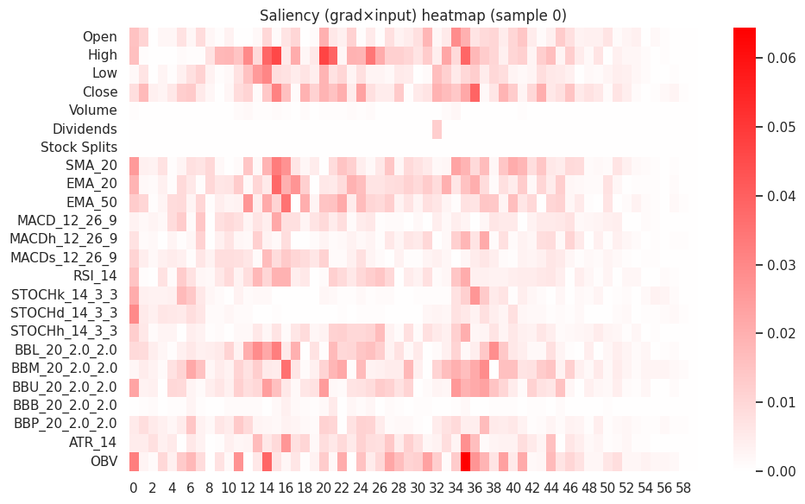
 | Saliency top-10 (sample 0, date 2025-09-25):
 |  | feature | saliency_score | saliency_pct
 | 0 | High | 0.684112 | 8.90889
 | 1 | OBV | 0.613326 | 7.987081
 | 2 | Close | 0.564776 | 7.354836
 | 3 | BBM_20_2.0_2.0 | 0.506924 | 6.601443
 | 4 | SMA_20 | 0.467256 | 6.084867
 | 5 | EMA_20 | 0.465554 | 6.06271
 | 6 | EMA_50 | 0.45003 | 5.860544
 | 7 | BBU_20_2.0_2.0 | 0.440012 | 5.730082
 | 8 | BBL_20_2.0_2.0 | 0.421916 | 5.494432
 | 9 | Open | 0.348034 | 4.532296

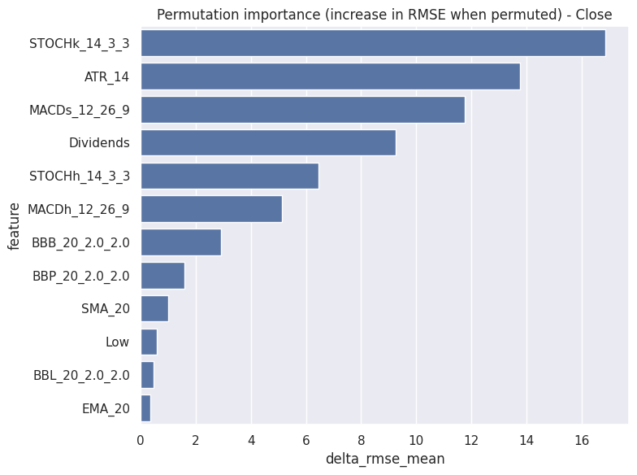
 | Permutation
 | Base RMSE (target index 1) = 100.5986
 |  | feature | delta_rmse_mean | delta_rmse_std
 | 14 | STOCHk_14_3_3 | 16.881155 | 2.334674
 | 22 | ATR_14 | 13.781104 | 1.151619
 | 12 | MACDs_12_26_9 | 11.779569 | 1.746044
 | 5 | Dividends | 9.253783 | 0.044885
 | 16 | STOCHh_14_3_3 | 6.462702 | 0.685989
 | 11 | MACDh_12_26_9 | 5.128728 | 0.734256
 | 20 | BBB_20_2.0_2.0 | 2.91673 | 0.293533
 | 21 | BBP_20_2.0_2.0 | 1.595593 | 1.015089
 | 7 | SMA_20 | 0.993207 | 0.324129
 | 2 | Low | 0.569738 | 0.460714
 | 17 | BBL_20_2.0_2.0 | 0.464432 | 0.310112
 | 8 | EMA_20 | 0.337152 | 0.095151

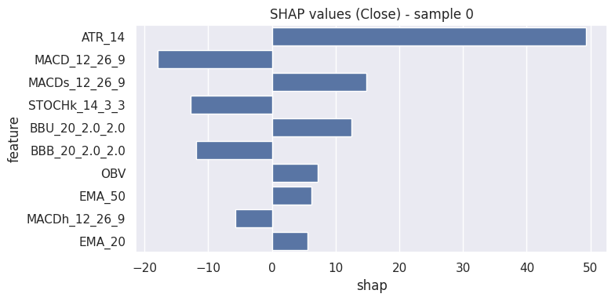
 | SHAP top features sample 0 (date 2025-09-25):
 |  | feature | shap | abs_shap
 | 0 | ATR_14 | 49.260099 | 49.260099
 | 1 | MACD_12_26_9 | -17.988938 | 17.988938
 | 2 | MACDs_12_26_9 | 14.834321 | 14.834321
 | 3 | STOCHk_14_3_3 | -12.737236 | 12.737236
 | 4 | BBU_20_2.0_2.0 | 12.524038 | 12.524038
 | 5 | BBB_20_2.0_2.0 | -11.917066 | 11.917066
 | 6 | OBV | 7.246024 | 7.246024
 | 7 | EMA_50 | 6.171192 | 6.171192
 | 8 | MACDh_12_26_9 | -5.720336 | 5.720336
 | 9 | EMA_20 | 5.607954 | 5.607954

Sheet8
ABCD strategy |  | highest return

 | A classical technical analysis pattern-based strategy. |  | Takes a price series (like forecasted or actual close).
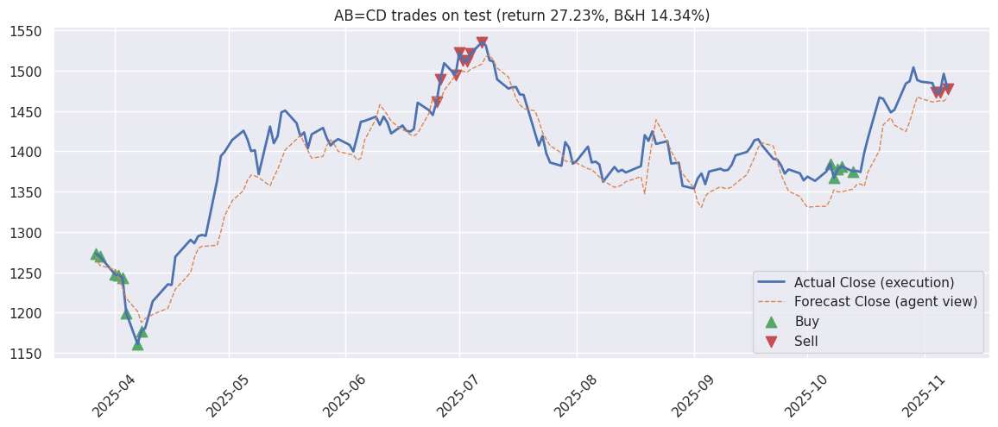
 |  |  | Applies moving averages and scans for points A–B–C–D that fit the pattern:
 |  |  | AB = upward leg
 |  |  | BC = retracement
 |  |  | CD = another upward leg, similar length to AB

 |  |  | Generates a signal:
 |  |  | 1 (buy) when the pattern suggests an upward move coming.
 |  |  | -1 (sell) when it signals reversal or downward trend.

 | Signals generated on forecasted closes: (array([-1., 0., 1.]), array([ 22, 101, 30]))
 | day 0: BUY 1 units at 1273.1153, cash left 8726.8847
 | day 1: BUY 1 units at 1270.0276, cash left 7456.8572
 | day 2: BUY 1 units at 1247.6171, cash left 6209.2401
 | day 3: BUY 1 units at 1246.1730, cash left 4963.0671
 | day 4: BUY 1 units at 1243.7326, cash left 3719.3344
 | day 5: BUY 1 units at 1199.9076, cash left 2519.4268
 | day 6: BUY 1 units at 1161.0628, cash left 1358.3640
 | day 7: BUY 1 units at 1177.4972, cash left 180.8668
 | day 59: SELL 1 units at 1461.4632, cash now 1642.3300 (recent trade gain% ~= 14.794)
 | day 60: SELL 1 units at 1489.3517, cash now 3131.6817 (recent trade gain% ~= 17.269)
 | day 62: SELL 1 units at 1494.6306, cash now 4626.3123 (recent trade gain% ~= 19.799)
 | day 63: SELL 1 units at 1522.3200, cash now 6148.6323 (recent trade gain% ~= 22.160)
 | day 64: SELL 1 units at 1512.7583, cash now 7661.3906 (recent trade gain% ~= 21.631)
 | day 65: SELL 1 units at 1511.7622, cash now 9173.1528 (recent trade gain% ~= 25.990)
 | day 66: SELL 1 units at 1521.2245, cash now 10694.3773 (recent trade gain% ~= 31.020)
 | day 67: SELL 1 units at 1535.3679, cash now 12229.7452 (recent trade gain% ~= 30.392)
 | day 130: BUY 1 units at 1384.8000, cash left 10844.9452
 | day 131: BUY 1 units at 1367.4000, cash left 9477.5452
 | day 132: BUY 1 units at 1377.8001, cash left 8099.7451
 | day 133: BUY 1 units at 1381.6999, cash left 6718.0452
 | day 134: BUY 1 units at 1375.0000, cash left 5343.0452
 | day 149: SELL 1 units at 1473.1000, cash now 6816.1451 (recent trade gain% ~= 6.376)
 | day 150: SELL 1 units at 1473.1000, cash now 8289.2451 (recent trade gain% ~= 7.730)
 | day 152: SELL 1 units at 1478.0000, cash now 9767.2451 (recent trade gain% ~= 7.272)
 | AB=CD Strategy Summary
 | Trades -> buys: 13 sells: 11
 | Final cash: 12723.25 | Total gains: 2723.25 | Return: 27.23%

Sheet9
evolution strategy

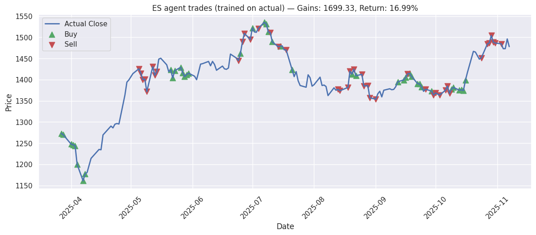
 | Train length (for ES): 1541, Test length (forecast window): 153
 | ES Training on actual historical closes (length 1541), window_size=30
 | iter 20. reward: 151.9092
 | iter 40. reward: 182.4307
 | iter 60. reward: 192.5401
 | iter 80. reward: 201.8887
 | iter 100. reward: 223.0219
 | iter 120. reward: 230.9189
 | iter 140. reward: 230.3129
 | iter 160. reward: 248.2485
 | iter 180. reward: 243.2977
 | iter 200. reward: 262.8304
 | time taken to train: 145.6859929561615 seconds
 | Training finished in 145.7s |  |  |  |  | A pure optimization-based agent that evolves a population of trading rules or neural networks by testing how profitable they are on historical data.
 | --- Deployment (on forecasted observations, executed on real actual closes) --- |  |  |  |  | It does not learn from gradients (like neural networks). Instead, it uses mutation, crossover, and selection — just like biological evolution.
 | Test window length: 153 |  |  |  |  | How it trades:
 | Total gains: 1699.33, Return: 16.99% |  |  |  |  | Each “individual” (agent) represents a small neural network or rule set.
 | Number of buys: 41, Number of sells: 41 |  |  |  |  | It takes the actual price history (real close prices) and simulates trades (buy/hold/sell).
 | Sample action dataframe (head): |  |  |  |  | After every “generation”, the top performers (those with highest portfolio growth) survive and breed new ones.
 |  | pred_close | actual_close | buy | sell | Over time, the best individual “evolves” to exploit patterns in the data that maximize profit.
 | date |  |  |  |  | Trading style:
 | 2025-03-27 00:00:00+05:30 | 1269.42569 | 1273.115234 | TRUE | FALSE | Optimization-based.
 | 2025-03-28 00:00:00+05:30 | 1258.762969 | 1270.027588 | TRUE | FALSE | Learns trading logic automatically by testing millions of strategies.
 | 2025-04-01 00:00:00+05:30 | 1253.322753 | 1247.617065 | TRUE | FALSE | Focused on maximizing return and survival of the fittest.
 | 2025-04-02 00:00:00+05:30 | 1243.835956 | 1246.172974 | TRUE | FALSE | Doesn’t use explicit market patterns (like MA or AB=CD) — the rules emerge from evolution.
 | 2025-04-03 00:00:00+05:30 | 1231.09011 | 1243.732666 | TRUE | FALSE
 | 2025-04-04 00:00:00+05:30 | 1217.875189 | 1199.907593 | TRUE | FALSE
 | 2025-04-07 00:00:00+05:30 | 1201.519963 | 1161.062744 | TRUE | FALSE
 | 2025-04-08 00:00:00+05:30 | 1187.993345 | 1177.497192 | TRUE | FALSE
 | 2025-04-09 00:00:00+05:30 | 1192.665169 | 1180.634644 | FALSE | FALSE
 | 2025-04-11 00:00:00+05:30 | 1197.854234 | 1214.100952 | FALSE | FALSE
 | 2025-04-15 00:00:00+05:30 | 1205.416422 | 1235.16687 | FALSE | FALSE
 | 2025-04-16 00:00:00+05:30 | 1217.551539 | 1234.370117 | FALSE | FALSE
 | 2025-04-17 00:00:00+05:30 | 1229.280475 | 1269.430054 | FALSE | FALSE
 | 2025-04-21 00:00:00+05:30 | 1249.690392 | 1290.346436 | FALSE | FALSE
 | 2025-04-22 00:00:00+05:30 | 1268.201812 | 1286.063599 | FALSE | FALSE
 | 2025-04-23 00:00:00+05:30 | 1279.502156 | 1294.828613 | FALSE | FALSE
 | 2025-04-24 00:00:00+05:30 | 1282.305791 | 1296.422241 | FALSE | FALSE
 | 2025-04-25 00:00:00+05:30 | 1282.460181 | 1295.227051 | FALSE | FALSE
 | 2025-04-28 00:00:00+05:30 | 1283.585022 | 1363.35498 | FALSE | FALSE
 | 2025-04-29 00:00:00+05:30 | 1300.21509 | 1394.131958 | FALSE | FALSE

Sheet10
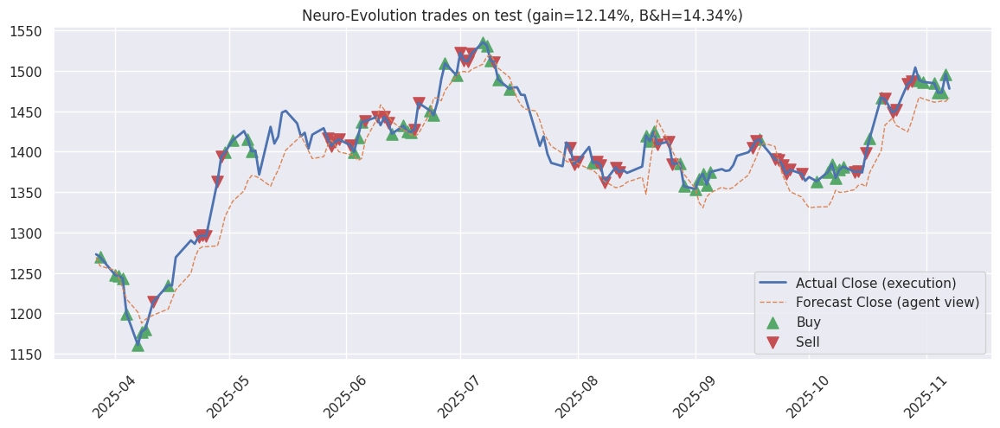
neuro evolution agent
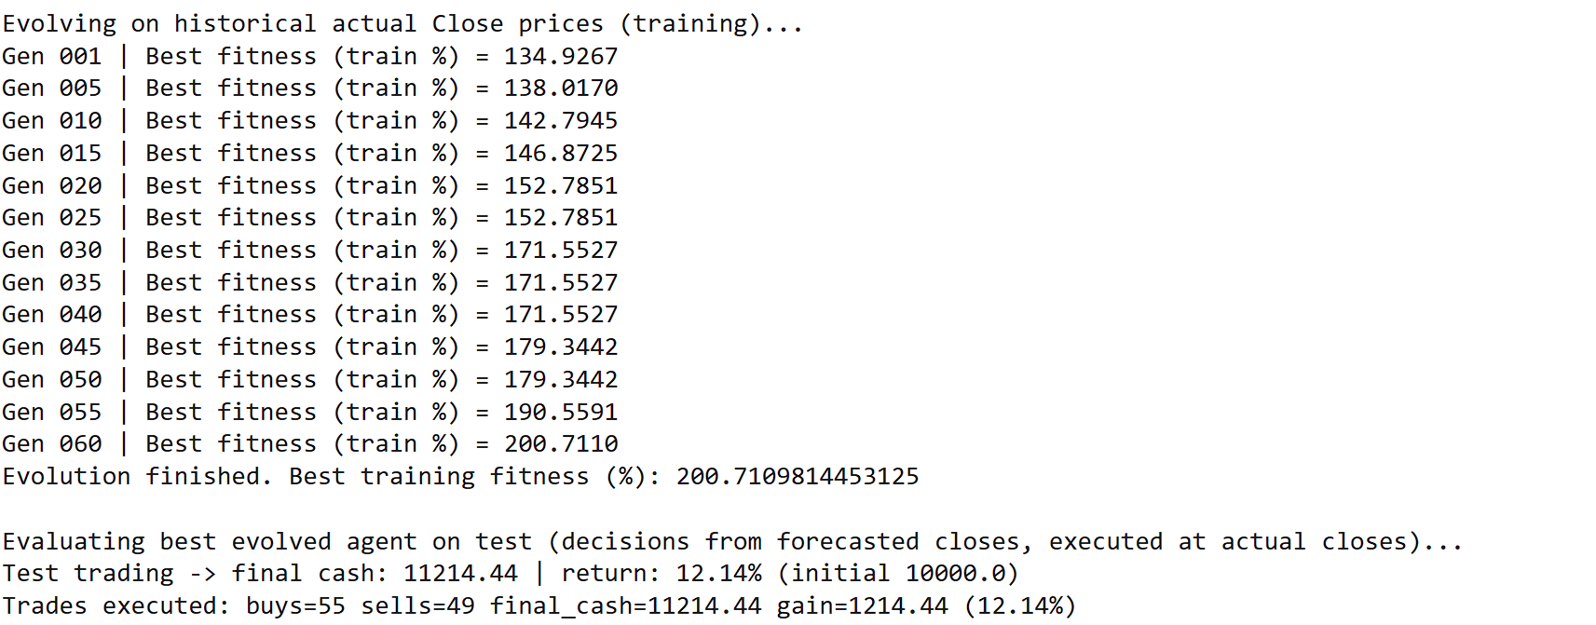

 | combines neural networks (like machine learning) with evolutionary algorithms.
 | How it trades:
 | Each agent is a small neural network (like Evolution Strategy), but instead of random weights, it learns through evolutionary selection.
 | The network inputs are price differences over a window (say, 30 days).
 | Output = [hold, buy, sell] probabilities.
 | The population evolves to maximize portfolio return (not minimize loss like ML).

